OFFER
 |  |  |  |  | TOTAL | 3829 |  | 357,580.00 € |  | 178,790.00 €
 |  |  |  |  | AVERAGE |  | 93.39 € |  | 46.69 €

PHOTO | REFERENCE | BRAND | CATEGORY | PRODUCT | DESCRIPTION | QTY | RRP | TOTAL RRP | WHS | TOTAL WHS
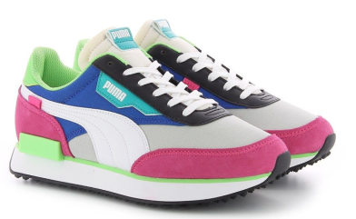 | 371149 B 27 | PUMA | FOOTWEAR | SHOES | FUTURE RIDER PLAY NRP.RAIN | 1541 | 90.00 € | 138,690.00 € | 45.00 € | 69,345.00 €
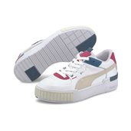 | 371202 B 05 | PUMA | FOOTWEAR | SHOES | CALI SPORT MIX WNS.GRAY | 306 | 100.00 € | 30,600.00 € | 50.00 € | 15,300.00 €
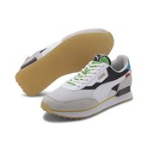 | 373384 B 01 | PUMA | FOOTWEAR | SHOES | FUTURE RIDER.WORLDHOOD | 571 | 100.00 € | 57,100.00 € | 50.00 € | 28,550.00 €
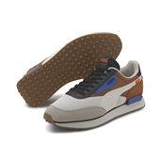 | 373386 B 01 | PUMA | FOOTWEAR | SHOES | FUTURE RIDER NEW P.GRAY | 111 | 90.00 € | 9,990.00 € | 45.00 € | 4,995.00 €
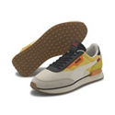 | 373386 B 02 | PUMA | FOOTWEAR | SHOES | FUTURE RIDER NEW P.LEMON | 212 | 90.00 € | 19,080.00 € | 45.00 € | 9,540.00 €
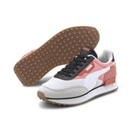 | 373386 B 03 | PUMA | FOOTWEAR | SHOES | FUTURE RIDER NEW P.WHITE | 534 | 90.00 € | 48,060.00 € | 45.00 € | 24,030.00 €
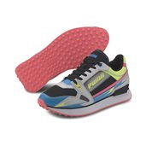 | 373443 B 03 | PUMA | FOOTWEAR | SHOES | MILE RIDER SGA WNS.YELLOW | 134 | 90.00 € | 12,060.00 € | 45.00 € | 6,030.00 €
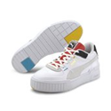 | 373908 B 01 | PUMA | FOOTWEAR | SHOES | CALI SPORT WH WNS.FOXGLOV | 420 | 100.00 € | 42,000.00 € | 50.00 € | 21,000.00 €

